1. Title Page
[Instacart Customer Analysis]

Project Name: Instacart Customer Analysis
Date: 05/11/23
Analyst Name: Abiy Addis

Contents:
Population Flow
Consistency checks
Wrangling steps
Column derivations
Visualizations
Recommendations

Data source: “The Instacart Online Grocery Shopping Dataset 2017”, Accessed from www.instacart.com/datasets/grocery-shopping-2017 via Kaggle on 3/10/23

2. Population Flow
Title page

Population flow

Exclusion flag
Condition: max_order < 5
Obervations to be removed: 1,440,295
Final total count of order_products_all: 30,964,564

Orders_products_combined
Orders_products_merged
Orders_products_all

Total: 32,434,489
Total: 32,404,859
Total: 32,404,859

1.) The grey boxes in the first row of the population flow represent the original data sets as they were when you downloaded them. In the Total fields you need to add the count of the rows when you imported the data set into Jupyter.
2.) The second row of boxes (coloured) represents the data sets after you manipulated them, e.g., removed missing values and duplicates. In the Total fields you need to add the count of the rows after conducting these operations. This offers a visual oveview of how the data flows throughout the data consistency checks.
3.) The third row, where also the arrows are coloured, represents the merges you performed between the datasets. In the Total fields you need to add the count of the rows in the merged datasets, so that you end up with the final dataset (in the red box). Keep in mind the final dataset should be without exclusions (based on the exclusion flag).

3. Consistency checks
 |  |  |  | Title page
Consistency checks

Dataset | Missing values | Missing values treatment | Duplicates
orders | 206,209 missing from "days_since_prior_order" | No changes made; these were all first orders, so the missing values are appropriate. That the missing values were all first orders was later confirmed again in Exercise 4.10. In that exercise, I created a crosstab in Python crossing "days_since_prior_order" and "order_number," allowing me to confirm that all values of 0 in "days_since_prior_order" corresponded to an "order_number" of 1. The crosstab can be found here. | None
products | 16 missing from "product_name" | I dropped these 16 rows. | 5 duplicates found and dropped
products | Several values in the "prices" column exceeded reasonable expectations. In particular, there were a total of 5127 prices that were either $14,900 or $99,999. This was not discovered until Exercise 4.9, after this dataset had already been merged. The dataset that I used when this discovery was made was one that I called orders_products_agg.pkl. I made the changes to address this issue in Task 4.9, part 1, right before merging orders_products_agg with the customers dataset. I exported the changes as orders_products_all. | Following the advice given in Exercise 4.9, I replaced these 5127 prices with NaN.
orders_products_prior | None | N/A | None
customers | None | N/A | None

4. Wrangling steps
 |  |  |  | Title page
Wrangling steps

Columns dropped | Columns renamed | Columns' type changed | Comment/Reason
"eval_set" from orders.csv |  |  | Had only one value ("prior") indicating it was a prior data set released by Instacart.
 | "order_dow" from orders.csv |  | "dow" is not self-explanatory; changed column name to "orders_day_of_week"
 | (But somehow kept as is) | "order_id" from orders.csv | changed to string to optimize calculations, like describe()
 |  | "user_id" from orders.csv | changed to string to optimize calculations, like describe()
"First Name" from customers.csv |  |  | Not needed in the analysis, and these would case PII issues.
"Surnam" from customers.csv |  |  | Not needed in the analysis, and these would case PII issues.
 | "Gender" from orders.csv |  | Changed to "gender" to keep the uniform lowercase convention used throughout this project
 | "STATE" from orders.csv |  | Changed to "state" for uniformity
 | "Age" from orders.csv |  | Changed to "age" for uniformity
 | "n_dependants" from orders.csv |  | Changed to "number_of_dependants" for clarity
 | "fam_status" from orders.csv |  | Changed to "family_status" for clarity

5. Column derivations
 |  |  |  |  |  | Title page

Column derivations and aggregations

In this tab you should add tables below that the frequences of flags/label variables that you produced after deriving them. NB: don't do this for continuous variables, only for flags.
Dataset | New column | Column/s it was derived from | Conditions | Frequency
orders_products_busy.pkl | "price_range" | "prices" | price in [0,5]: "Low-range product" | 10,126,321
 |  |  | price in (5,15]: "Mid-range product" | 21,860,860
 |  |  | price > 15: "High-range product" | 417,678

orders_products_busy.pkl | "busiest_day" | "orders_day_of_week" | if day 0 (Sat.), "Busiest day" | 6,204,182
 |  |  | if day 4 (Wed.), "Least busy" | 3,783,802
 |  |  | otherwise, "Regularly busy" | 22,416,875

orders_products_busy.pkl | "busiest_days" | "orders_day_of_week" | if day 0 or 1 (Sat. or Sun.), "Busiest" | 11,864,412
 |  |  | if day 3 or 4 (Wed. or Thurs.), "Least busy" | 7,624,336
 |  |  | otherwise, "Regularly busy" | 12,916,111

orders_products_busy.pkl | "busiest period of day" | "order_hour_of_day" | 9am-4pm: "Most orders" | 21,118,071
 |  |  | 11pm-6am: "Fewest orders" | 1,289,137
 |  |  | otherwise: "Average orders" | 9,997,651

orders_products_agg.pkl | "max_order" | "order_number" | displays total number of orders each customer has made

orders_products_agg.pkl | "loyalty_flag" | "max_order" | max_order > 40: "Loyal customer" | 10,284,093
 |  |  | 10 < max_order <= 40: "Regular customer" | 15,876,776
 |  |  | max_order <= 10: "New customer" | 6,243,990

orders_products_agg.pkl | "avg_price" | "prices" | displays mean price of items purchased by each user

orders_products_agg.pkl | "spending_flag" | "avg_price" | avg_price < 10: "Low spender" | 31,770,614
 |  |  | avg_price >= 10: "High spender" | 634,245

orders_products_agg.pkl | "median_days_since_prior_order" | "days_since_prior_order" | displays median number of days each user takes between orders

orders_products_agg.pkl | "order_frequency_flag" | "median_days_since_prior_order" | median > 20: "Non-frequent customer" | 3,636,437
 |  |  | 10 < median <= 20: "Regular customer" | 7,208,564
 |  |  | median <= 10: "Frequent customer" | 21,559,853

orders_products_all.pkl | "region" | "state" | "midwest" | 7,597,325 | States were assigned to regions based on the region information in this Wikipedia article
 |  |  | "northeast" | 5,722,736
 |  |  | "south" | 10,791,885
 |  |  | "west" | 8,292,913

orders_products_all.pkl | "low_order_flag" | "max_order" | max_order < 5: "Low order customer" | 1,440,295
 |  |  | max_order >= 5: "High order customer" | 30,964,564

orders_products_final.pkl | "age_profile" | "age" | age <= 25: "Young" | 4,045,189
 |  |  | 25 < age < 65: "Middle-aged" | 19,784,586
 |  |  | age >= 65: "Senior" | 8,575,084

orders_products_final.pkl | "income_profile" | "income" | income < 75000: "Low-income" | 10,442,766
 |  |  | 75000 <= income < 150000: "Mid-income" | 17,910,512
 |  |  | income > 150000: "High-income" | 4,051,581

orders_products_final.pkl | "vegan_profile" | "department_id" | if the customer has 0 orders from department_id=12 (meat) and 0 orders from department_id=16 (dairy): "Vegan" | 383,427
 |  |  | Otherwise: "Non-vegan" | 32,021,432

orders_products_final.pkl | "family_profile" | "family_status" and "number_of_dependants" | If married and 1 dependent: "Married no children" | 7,550,904
 |  |  | If married and 2 or more dependents: "Married with children" | 15,205,849
 |  |  | If not married and 0 dependents: "Single no children" | 8,097,503
 |  |  | If not married and 1 or more dependents: "Single with children" | 1,550,603

6. Visualizations
 |  |  | Title page

Visualizations

In this tab you should include all the visualtions from Exercises 4.9 and 4.10, alongside the questions from the project brief that they answer. Include any commentary on the relationship between different variables.

Question: What days and times have the most orders?
 | This graph shows the day of the week on the x-axis and the number of orders on the y-axis. Days of the week are numbered as: 0=Saturday 1=Sunday 2=Monday 3=Tuesday 4=Wednesday 5=Thursday 6=Friday Clearly, the busiest day is Saturday, followed closely by Sunday. The slowest day is Wednesday. Note that, generally, orders pick up on the weekend.
 | This graph shows the hour of the day on the x-axis and the number of orders on the y-axis. Hours of the day are numbered using standard military time. We can see that the busiest time of day for placing orders is between 9am and 5pm, with the peak occurring at 10am and 11am (though orders remain elevated through the late morning and early afternoon). Orders trough in the early hours of the morning, between 1am and 5am.
Question: Are there particular times of the day when people spend the most money?
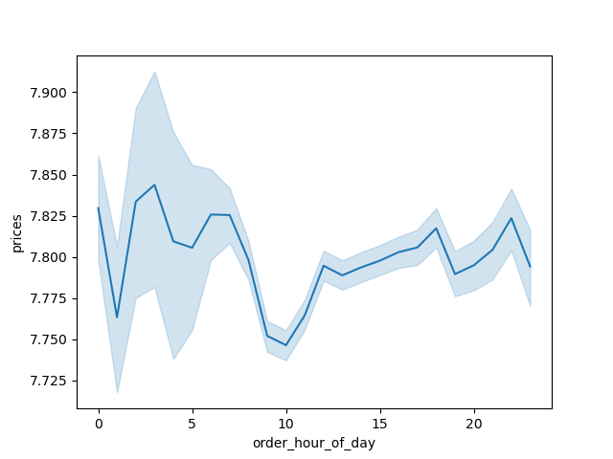 | This chart shows the hour of the day on the x-axis and the average price of items ordered at that time of day. The items that customers tend to buy throughout the day are similarly priced; that is, customers do not tend to buy cheaper items at certain times of the day. There does seem to be a slight dip in expenditure from, roughly, 8am to 11am, but overall, there is only about a 10 cent drop from peak to trough.
Question: Are there certain types of products that are more popular than others? This question will be answered in detail as part of the answer to questions about differences in ordering habits of different customer profiles. See below.
Question: What's the distribution among users in regards to brand loyalty?
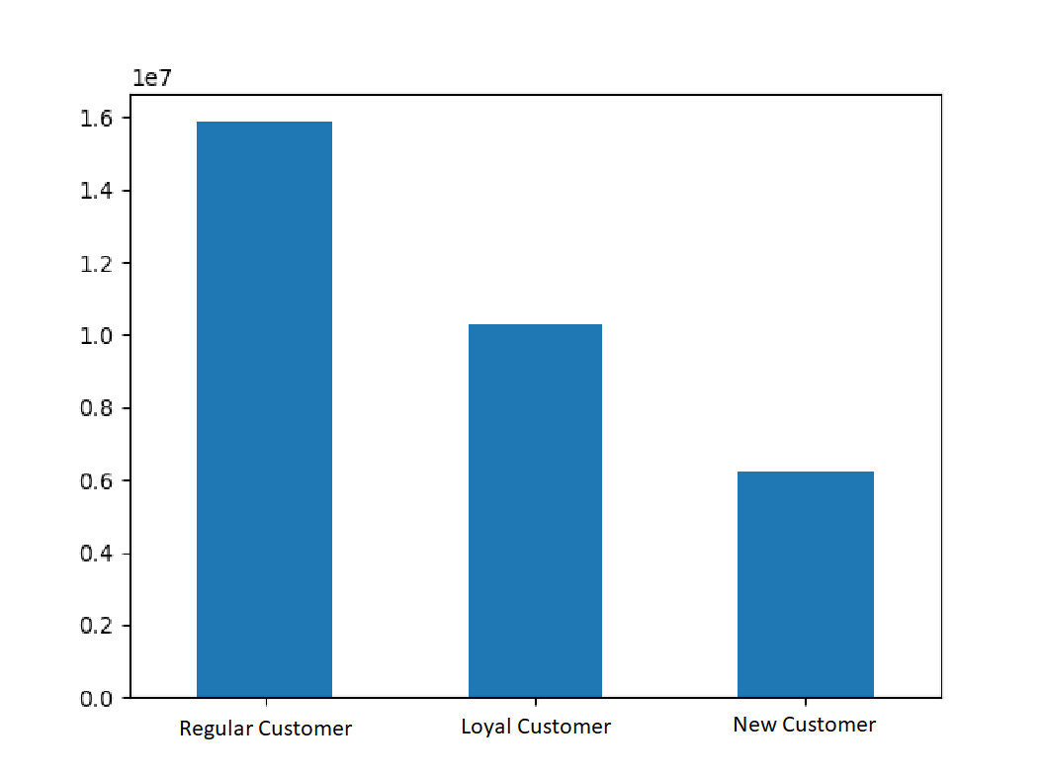 | This chart shows the number of customers who fall into one of the three categories: Loyal customers have placed over 40 orders Regular customers have placed between 10 and 40 orders New customers have placed 10 or fewer orders Instacart customers appear to be fairly loyal, with about half of Instacart customers falling into the "Regular customer" category, and about a third of them falling into the "Loyal customer" category.
Question: Are there differences in ordering habits based on a customer's loyalty status?
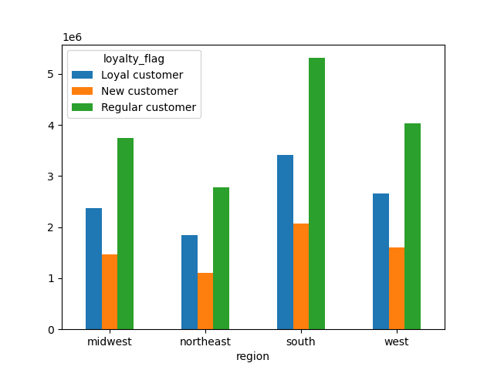 | 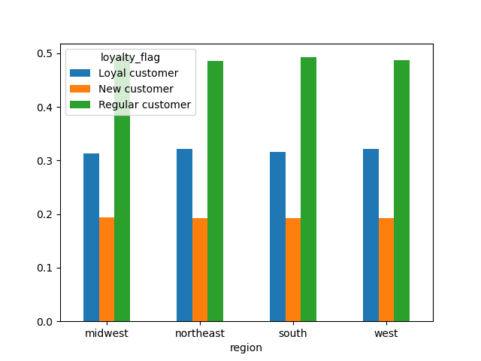 | At first glance, it may seem like there are regional differences in loyalty status (as the graph on the left shows). However, this is only because there are more customers in the South and fewer in the East. The graph on the right shows the loyalty status of customers as a percentage of customers living in that region. We can clearly see very little difference in the distribution of loyalty across regions. As we look at the remaining bar charts, we will look at charts like the one on the left, and if the shape of the distribution is the same in each group, then we will conclude that the variables in question have little to do with one another.
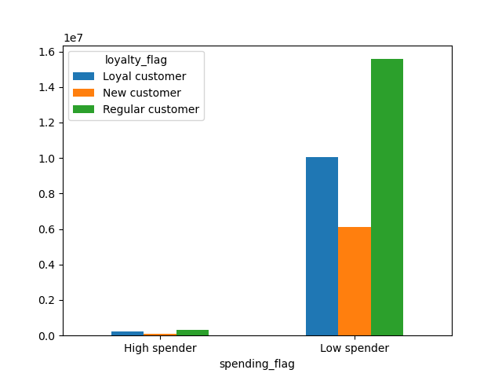 | 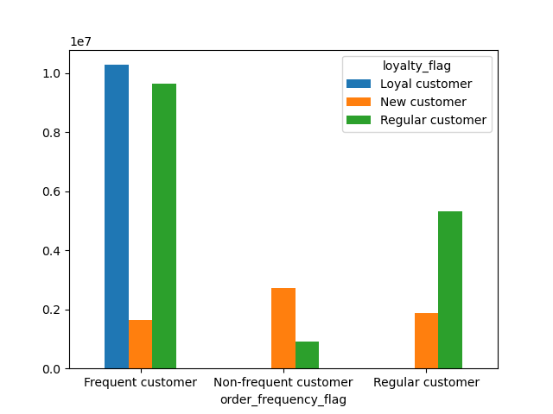 | The graph on the left again shows not much difference in the distribution of loyalty among high and low spenders. There is only a difference in the number of high and low spenders. The graph on the right, on the other hand, shows a remarkable difference in the distrubution of loyalty depending on how frequently the customer shops at Instacart. Frequent customers (those that tend to place orders fewer than 10 days apart) are far more likely to be loyal customers (i.e., they're far more likely to have placed more than 40 orders). New customers (those with fewer than 10 orders in total) are also much more likely to be non-frequent customers (they place their orders more than 20 days apart, on average). This is an important insight.
Question: Are there differences in ordering habits based on a customer's region?
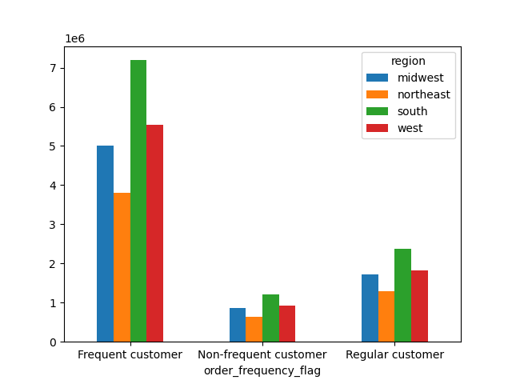 | 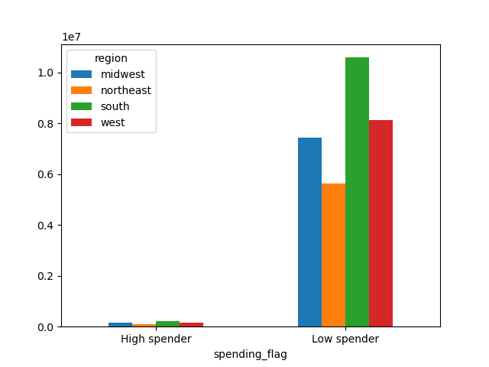 | Region seems to affect neither the frequency of orders (left) nor the amount of money customers are willing to spend on products (right). Again, this is clear due to the fact that while the heights of the bars in each group are different, they are in relatively the same proportion to one another from group to group.
Question: Is there a connection between the age of Instacart customers and the number of dependents they have?
 | This chart shows the age of Instacart customers and the corresponding number of dependents that they have. The number of dependents is strangely uniform with respect to age. There is not much of a trend here at all. One can assume that grocery expenditure will increase with number of dependents, so it is useful to know that number of dependents has little to do with age.
Question: What different classifications does the demographic information suggest? Age? Income? Certain types of goods? Family status? Question: What differences can you find in ordering habits of different customer profiles? I will answer these questions together. In answer to these questions, I created customer profiles about age, income, diet (veganism), and family status. In general, I found very few differences in customer behavior with respect to these profiles, with notable exceptions among vegans. See below for more detail. First, here is the breakdown of the customer profiles overall.
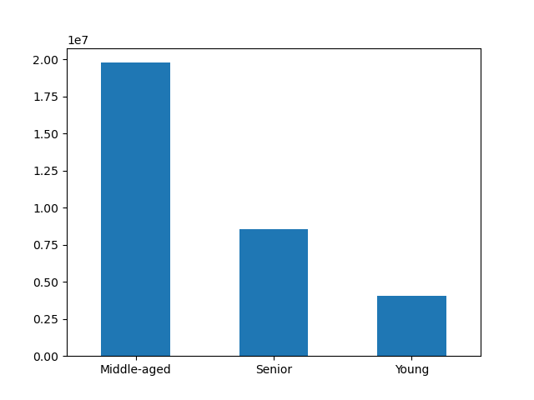 | 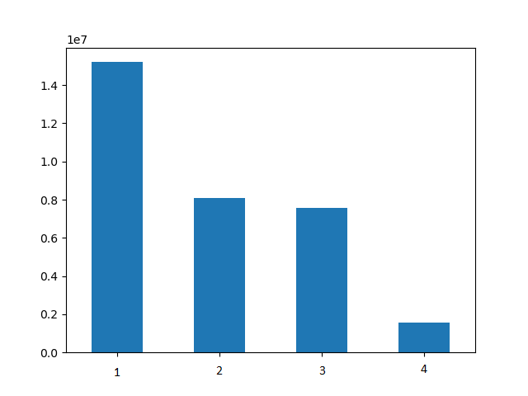 | The graph on the top left shows the distribution of Middle-aged, Young, and Senior customers The graph on the top right shows the distribution of customers by family status. In this case, 1 = Married with children 2 = Single no children 3 = Married no children 4 = Single with children
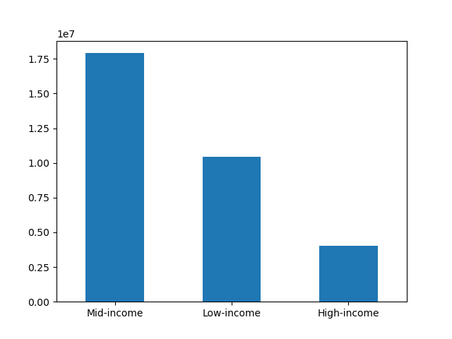 | 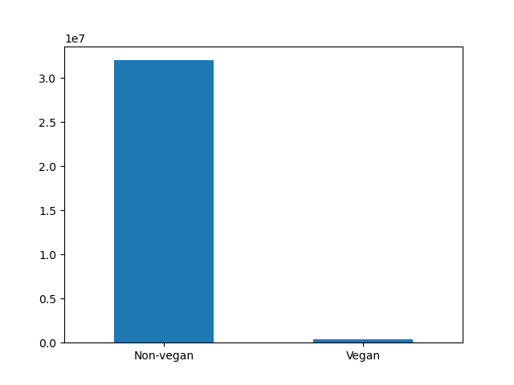 | The graph on the bottom left shows the distribution of customers by income, and the graph on the bottom right shows the distribution of customers by diet (vegan or non-vegan).
Here are those same customer profiles broken down by region. Each of these graphs gives the relative frequency of the various profiles within each region. They show how remarkably consistent these profiles are across all regions.
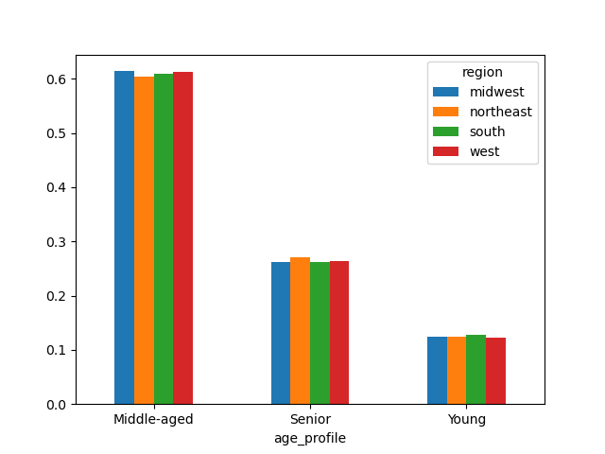 | 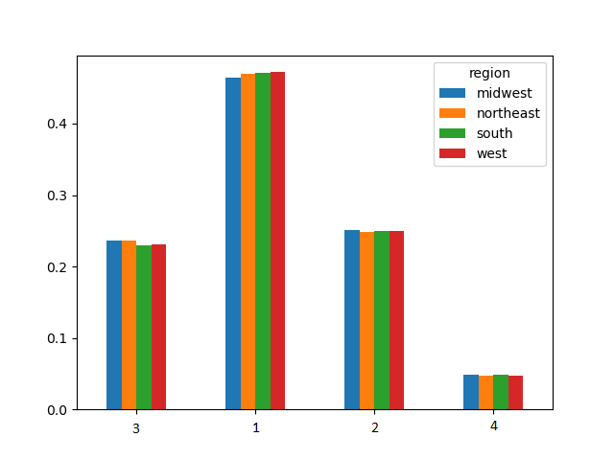 | Again, for the graph on the top right, the labels are to be read as follows: 1 = Married with children 2 = Single no children 3 = Married no children 4 = Single with children
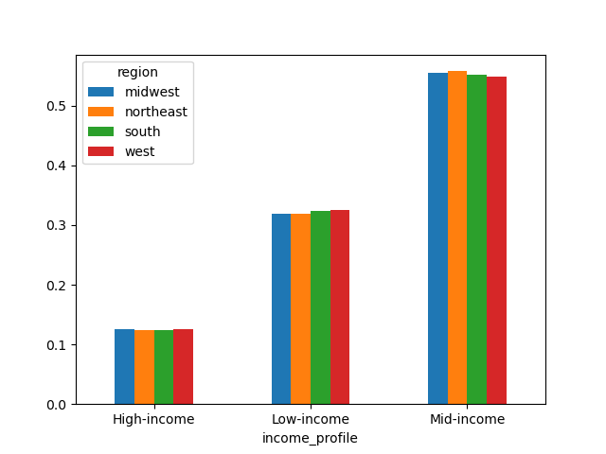 | 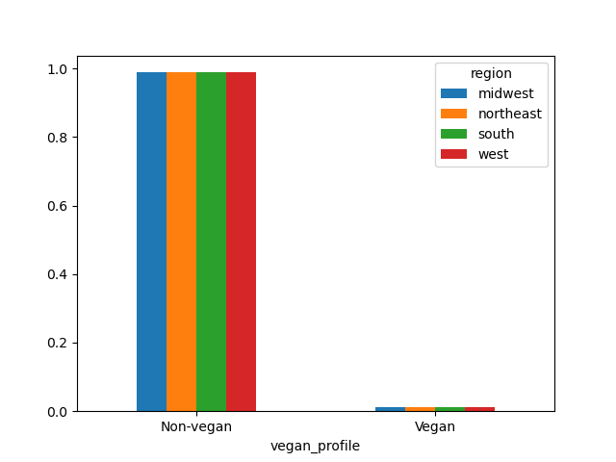
I also looked at each of the profiles by the products that they purchase.
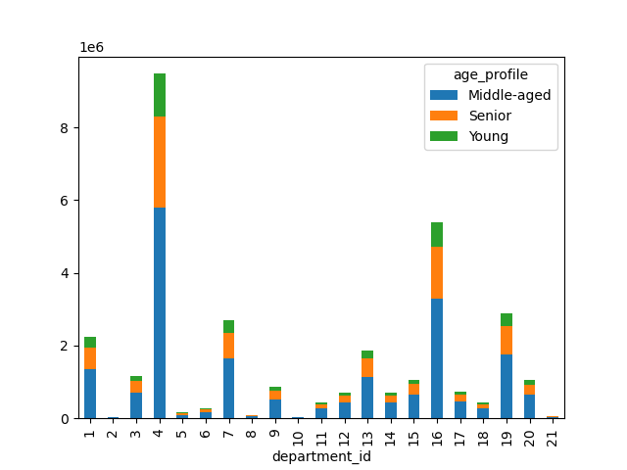 | 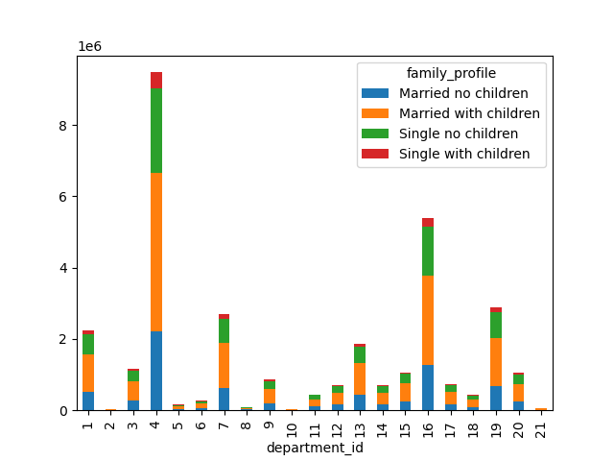 | First, note that each of these visualizations answer the question "Are there certain types of products that are more popular than others?" posed earlier. The answer is "yes": departments 4 and 16 (produce and dairy/eggs) are the most popular, with departments 1, 7, 13, and 19 (frozen, beverage, pantry, and snacks, respectively) as a second-tier level of popularity. Next, a few comments on the distributions here. Due to the number of departments, it is difficult to get a good visualization of the effect that age, family status, income, and diet have on the popularity of various departments. However, looking at the numbers reveals the following. With respect to age, there is very little difference in the popularity of various departments. With respect to income, we find the following differences: Mid-income customers purchase more produce than both high- and low-income customers (30.0% of purchases versus 29.1% and 27.9% of purchases, respectively). Low-income people purchase more snacks than mid- and high-income customers (11.4% of purchases versus 7.8% and 7.7% of purchases, respectively). Alcohol makes up relatively little of each group's purchases; however, high-income people purchase more alcohol than the others (0.6% versus 0.4% of purchases). With respect to family status, we see fairly similar distributions. Single individuals generally purchase more alcohol than married individuals, though not by much (0.6% of purchases versus about 0.5%). Single parents spend a little more on pets than the other three groups (0.4% versus about 0.3%). The greatest differences in departments come when comparing vegans and non-vegans. Besides the obvious (vegans don't eat meat or dairy), the largest differences (in magnitude) are department 7 (beverages) department 19 (snacks). 19.4% of purchases made by vegans are on beverages, compared to 8.2% for non-vegans. There's also a fairly sizeable difference in department 5 (alcohol) at 3.0% The larges
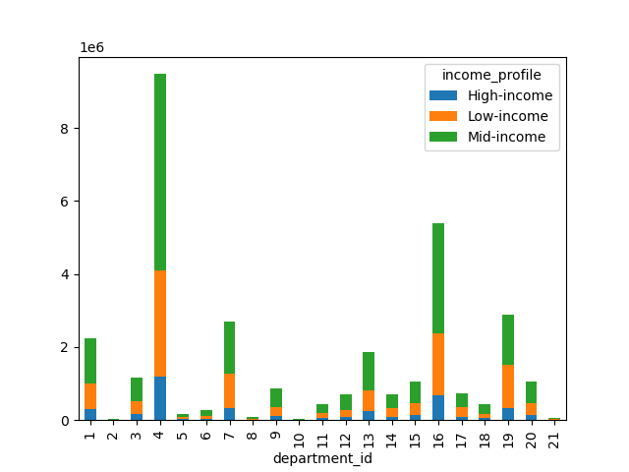 | 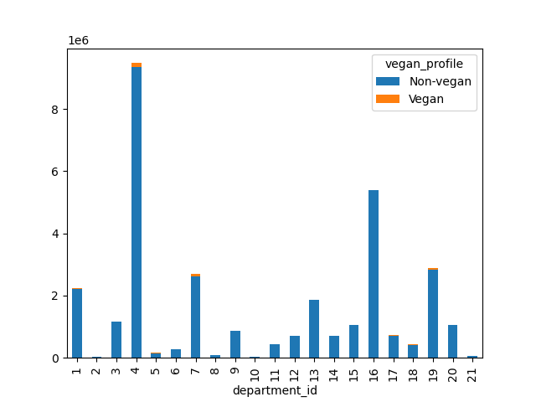
 | This chart answers the question "Is the age of Instacart customers linked to their purchasing power (income)?" It shows the age of Instacart customers and their corresponding annual income. The only trend that is clearly visible in this chart is that there is an abrupt jump in income around age 40. After that age, more Instacart customers make between $200,000 and $300,000 than before that age, and only after that age does any Instacart customer make over $400,000.

7. Recommendations
 |  | Title page

Recommendations

In this tab you should include any recommendations you would made to Instcart in terms of their marketing strategy based on the questions posed in the brief. Every key question has been covered in the Tasks of the Exercises - here you need to add an item - a visualisation or table/crosstable that is showing the answer in the data, acompanied by a comment from you. Please, list the questions below and add the answer underneath.

Question 1
The sales team needs to know what the busiest days of the week and hours of the day are (i.e., the days and times with the most orders) in order to schedule ads at times when there are fewer orders.

Answer
 | Instacart is busiest on the weekends, with Saturday as the busiest day. The slowest day is Wednesday. Instacart is consistently busy from 9am to 5pm, though traffic reaches its peak between 10 and 11am and begins to decrease steadily after 3pm. There is very little traffic between 1 and 5am. Recommendation: If Instacart wants to schedule ads at times when there are fewer orders, then Wednesday at 3am is ideal. However, as very few customers will see those ads at that time, it may be more impactful to schedule them for Wednesday afternoon, around 3pm, as sales begin to decrease for the day.

Question 2
They also want to know whether there are particular times of the day when people spend the most money, as this might inform the type of products they advertise at these times.

Answer
 | There is about a 10 cent difference in average price between the time of day when Instacart customers purchase the most expensive items and the time of day when they purchase the least expensive items. The peak occurs around 4am, and the trend remains relatively elevated until around 7am. Recommendation: Push higher-priced items in ads run during the early hours of the morning.

Question 3
Instacart has a lot of products with different price tags. Marketing and sales want to use simpler price range groupings to help direct their efforts.

Answer
We have grouped products into low- mid- and high-range products. Please see the "Column derivations" sheet (row 1) for more details.

Question 4
Are there certain types of products that are more popular than others? The marketing and sales teams want to know which departments have the highest frequency of product orders.

Answer
 | Yes. Departments 4 and 16 (eggs/dairy and produce) are the most popular, with departments 1, 7, 13, and 19 (frozen, beverage, pantry, and snacks, respectively) at a second-tier level of popularity. Recommendation: Instacart should do some more exploration to determine where to increase revenue. If the advertising team believes that running ads for more popular departments would be most liklely to increase revenue, then advertising eggs, dairy, and produce is key.

Question 5
What's the distribution among users in regards to their brand loyalty?

Answer
 | Instacart customers are fairly loyal. About half are regulars, and about one third are very loyal. Recommendation: Instacart should do some more exploration to determine what makes turns a new customer into a regular customer. Perhaps rewards or loyalty programs can be developed and advertised, or perhaps sending emails on certain days of the week would be helpful.

Question 6
Are there differences in ordering habits based on a customer's loyalty status?

Answer
 | Yes. Frequent customers (those with fewer than 10 days between orders, on average) are overwhelmingly Loyal and regular (i.e., they have placed more than 10 orders on Instacart in total). Non-frequent customers (those with more than 20 days between orders, on average) are very likely to be new customers (i.e., they have placed 10 order or fewer, in total). In general, it seems that the more frequently one orders from Instacart, the more likely one is to remain an Instacart customer in the long-run. Recommendation: Instacart should explore ways to get new customers to make shopping at Instacart a regular part of their routine, so as to encourage their new customers to be long-term customers. Perhaps they can build some sort of incentive structure, such as offering a discount if a second order is placed within 10 days of the previous one.

Question 7
Are there differences in ordering habits based on a customer's region?

Answer
 | Not that I could find. Region seems to affect neither the frequency of orders nor the amount of money customers are willing to spend on products. This is clear due to the fact that while the heights of the bars in each group are different, they are in relatively the same proportion to one another from group to group. Recommendation: Ordering habits do not seem to depend on a customer's region; therefore, Instacart should consider factors other than geographical region to understand their customers' behavior.

Question 8
Is there a connection between age and family status in terms of ordering habits?

Answer | Surprisingly, age and family status do not seem to have a discernable relationship. Moreover, neither of those categories individually seemed to have much of an impact and amount of money spent at Instacart, departments the customer purchased from, or any other query that I explored. Recommendation: Again, Instacart should explore the relationship between variables other than these in order to understand their customers' behavior.

Question 9
What differenct classifications does the demographic information suggest?

Answer
After analyzing data on region, age, family status, and income, I did not notice any discernable trend. The only major trends I was able to discover had to do with diet preferences, though this is not exactly a demographic issue. See more below for information about the differences that are noticeable in groups profiled by diet.

Question 10
What differences can you find in ordering habits of different customer profiles?

Answer
 | The greatest differences in departments come when comparing vegans and non-vegans. Besides the obvious (vegans don't eat meat or dairy), the largest differences (in magnitude) are department 7 (beverages) department 19 (snacks). 19.4% of purchases made by vegans are on beverages, compared to 8.2% for non-vegans. Relatively speaking, the biggest differences are department 5 (alcohol) from which vegans purchase 87.3% more often than non-vegans, department 9 (dry goods pasta) from which vegans purchase 65.2% less often than non-vegans, and department 17 (household) from which vegans purchase 65.1% more often than non-vegans. 16.6% of purchases made by vegans are on snacks, compared to 8.8% for non-vegans. Vegans also spend slightly more on produce, and household goods and slightly less on pasta than their non-vegan counterparts. Recommendation: While there are major differences in the products that vegans order, vegans do not make up a large share of Instacart's customer base. Nevertheless, it may be profitable for Instacart to profile their customers and target ads to them based on their preferred diet.

